Bug1
[Categories] [List category] Long Category name doesn't appear propely in lisitng

Preconditions:
1- Open Monefy app
2- category is added with long name

Steps:
1-Press on 3 dots side menu
2-Press on categories

Expected Result :
Category name should be displayed propely

Actual Result :
Category name is truncated

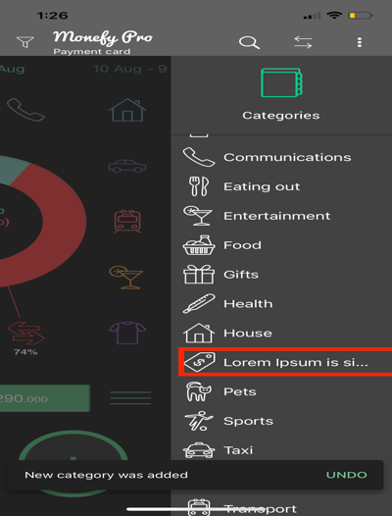
Attachment :

Affected devices: IOS
Network : wifi
Severity : Minor
Priority : low
Assigned to : UX

Bug2
[Home][Chart] The Sum of percentages on the charts isn't equal 100%

Preconditions:
1- Open Monefy app
2- Some different incomes are added
3- Some different expenses are subtracted
4-all accounts is selected from Account type dropdown list

Steps:
1-In home screen,
2-Check the Expenses Chart

Expected Result :
The Sum of percentages on the charts should be equal 100%

Actual Result :
The Sum of percentages on the charts is equal 99%

Attachment :
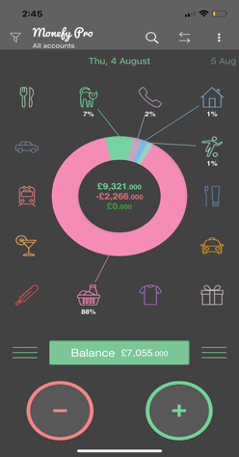

Affected devices: IOS
Network : wifi
Severity : Minor
Priority : High
Assigned to : FE

Bug3
[Home][Pagination] There is no First and last arrows in pagination

Preconditions:
1- Open Monefy app
2- Some different incomes are added
3- Some different expenses are subtracted

Steps:
1-Press on Filter icon in header
2-Press on day
3- Check the pagination

Expected Result :
First and last arrows should be displayed in pagination , to navigate easily between days

Actual Result :
There is no First and last arrows in pagination ( user have to move across all days to reach the last day and vice versa)
* i think the UX team should handle the pagintion in more friendly way for the user
Attachment :
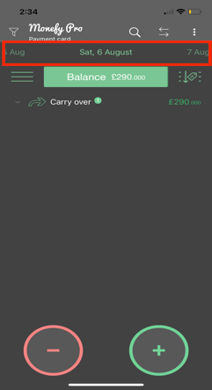

Affected devices: IOS
Network : wifi
Severity : minor
Priority : Medium
Assigned to : UX team

Bug4
[Home][Search] Search isn't working propely

Preconditions:
1- Open Monefy app
2- Some different incomes are added
3- Some different expenses are subtracted

Steps:
1-Press on Search icon in Header
2-Enter any valid search criteria in serachbox eg: House

Expected Result :
Records that matches the entered value ( House ), should only be displayed

Actual Result :
Records of transfer that doesn't match the entered value are displayed ( eg: Payment and cash )

Attachment :
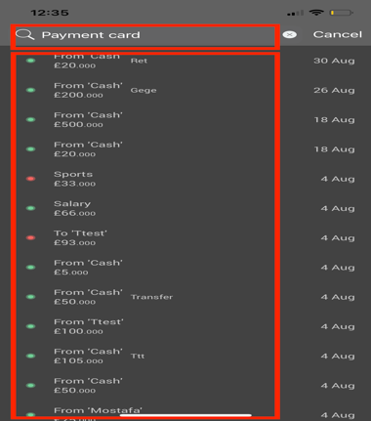
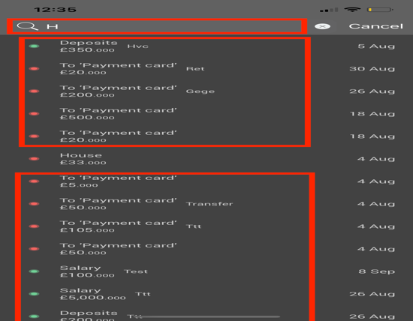
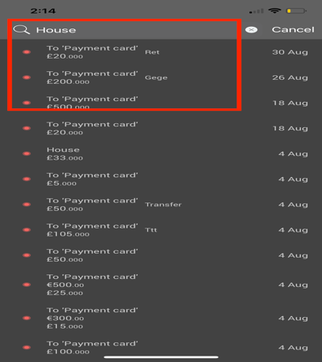

Affected devices: IOS
Network : wifi
Severity : Major
Priority : High
Assigned to : FE

Bug5
[Categories] [Add category] Category name field accepts unlimitited chars

Preconditions:
1- Open Monefy app

Steps:
1-Open side menu
2-Press on categories
3-Press on add category icon'+'
4-Enter more than 50 chars in category name

Expected Result :
Category name shouldn't accept more than 50 chars or Client validation error messgae should be displayed

Actual Result :
Category name field accepts unlimited chars

Attachment :
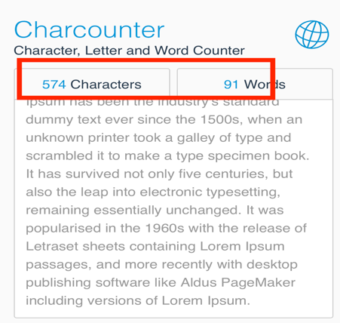
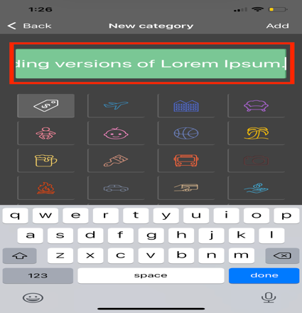

Affected devices: IOS
Network : wifi
Severity : Minor
Priority : Medium
Assigned to : FE

Ps: I don't know if it's a business requriment to be unlmtted but I think it should be limited up to eg: 50 chars as the name is not fully displayed in categories list

Bug6
[Transalation] Calender Buttons aren't translated in All languages

Preconditions:
1- Monefy app is opened
2- Other language are supported in the app ( English is default language )

Steps:
1-Open side menu
2-in settings ,Select other language than English
3-Press on filter icon in header
4-Press on interval

Expected Result :
Days , months and button in calender should be displayed in the new language selected

Actual Result :
Ok and cancel button in calender are always displayed in english
* Same issue occurs in some labels in settings and in search placeholder for no ercords ( as attached )
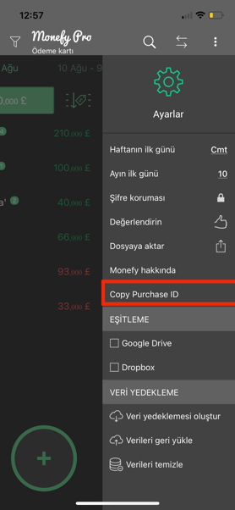
Attachment :
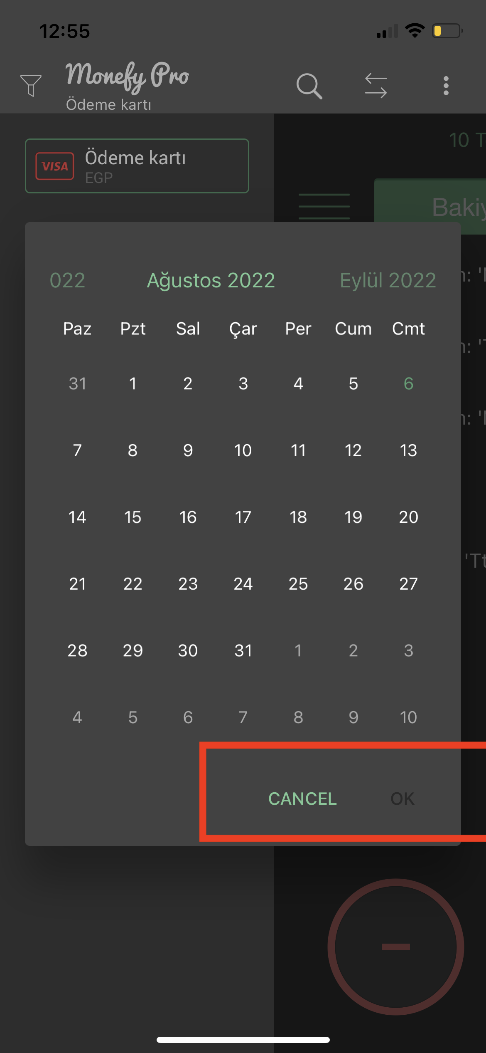
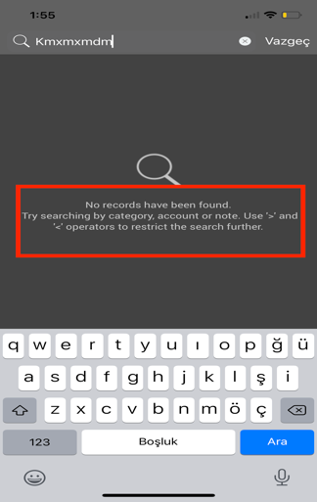

Affected devices: IOS
Network : wifi
Severity : Minor
Priority : Low
Assigned to : BE

